Call Behaviour
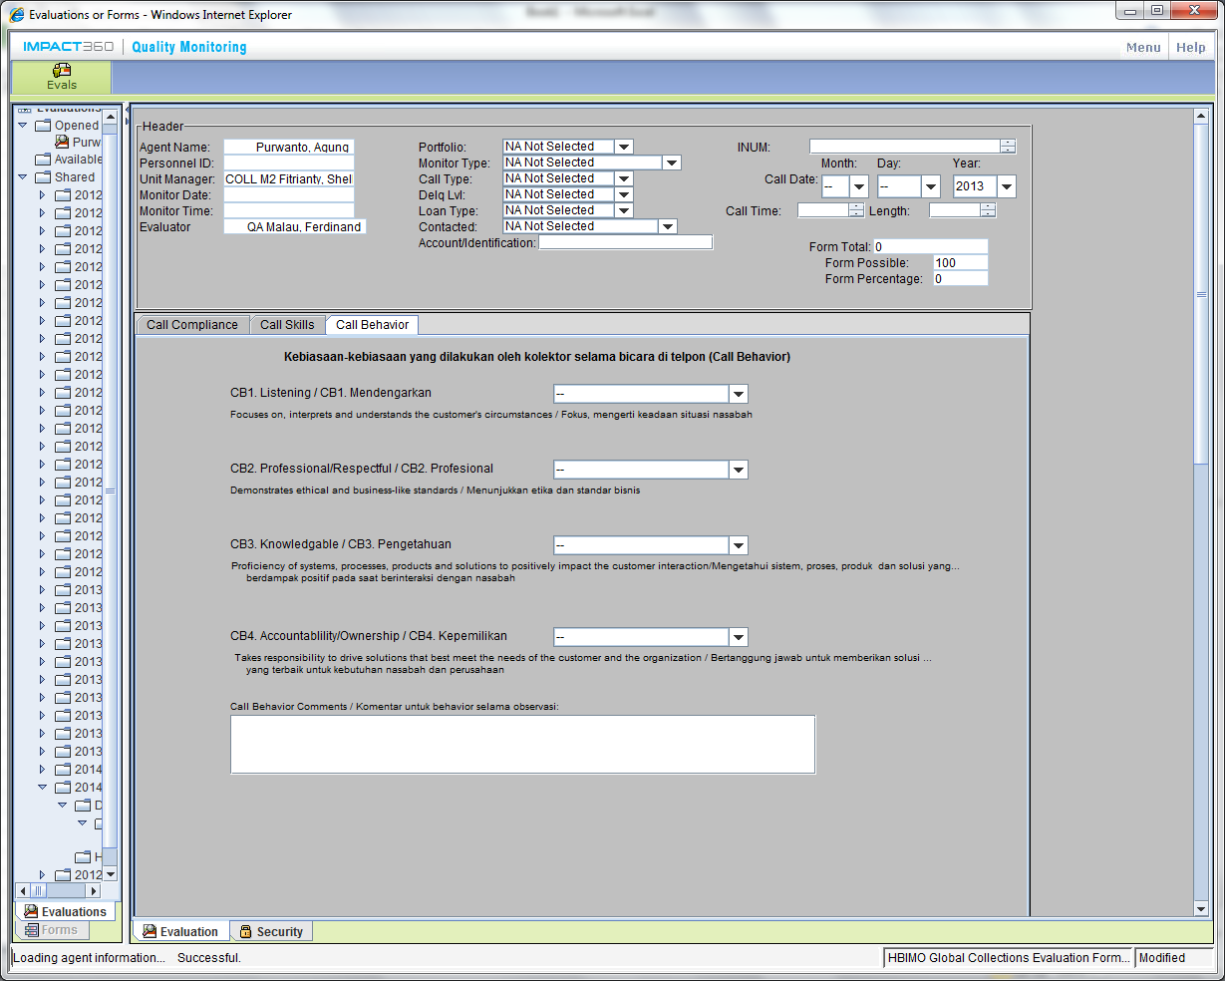
 | SUMMARY CALL BEHAVIOUR
 |  | Desk Coll Name :
 |  | Desk coll ID :
 |  | PERIODE :

 | TOTAL STRENGTH |  | 8
 | TOTAL SCORE |  | 9
 | PASS GRADE |  | 75%
 | CALL BEHAVIOUR STATUS |  | QUALIFY

CALL BEHAVIOUR ( DESKCALL NAME & MONTH )

STRENGTH | PARAMETER |  |  |  |  | RESULT | STRENGTH | SCORE
OPPORTUNITY | A. Listening / Fokus dan mengerti keadaan nasabah |  |  |  | = | STRENGTH | 1 | 1
 |  | Good listening, answer correctly, explaining and answering sincerely |  |  | 1 |  |  |  | 4B

 | B. Professional / Menunjukkan etika dan standard Business |  |  |  | = | STRENGTH | 1 | 1
 |  | Opening (Greeting, validate customer, and correct self introduction) |  |  | 1 |  |  |  | 1A-C
 |  | Deliver right information |  |  | 1 |  |  |  | 2A
 |  | Inform purpose of call |  |  | 1 |  |  |  | 2B
 |  | Proper language, intonation, choice of words, formal / business articulation |  |  | 1 |  |  |  | 4A
 |  | Closing greeting |  |  | 1 |  |  |  | 5C
 |  |  |  |  |  |  | 0
 | C. Knowledgeable. |  |  |  | = | OPPORTUNITY | 0 | 0.25
 |  | Kemampuan Menjelaskan Tagihan, Prosedur Permohonan Keringanan dan Skema Pembayaran. |  |  | 0 |  |  |  | 3a,d
 |  | Answer customer objection, complain and denial |  |  | 0 |  |  |  | 3b
 |  | Route back conversation to discuss payment or settlement plan |  |  | 0 |  |  |  | 3c
 |  | summary conversation and next schedule of call |  |  | 0 |  |  |  | 5agp,angp

 | D. Accountability / Ownership |  |  |  | = | OPPORTUNITY | 0 | 0.25
 |  | Able to probe customer financial difficulties, systematically and fast |  |  | 0 |  |  |  | 3a
 |  | Ask relationship with the card holder |  |  | 1 |  |  |  | 6a

 | Comment / Remarks

 | *) Jika OPPORTUNITY, Beri Keterangan Pada Kolom Comment / Remarks.
 |  |  |  | TOTAL STRENGTH | = | 2
 |  |  |  | TOTAL SCORE | = | 2.5

CALL BEHAVIOUR ( DESKCALL NAME & MONTH )

STRENGTH | PARAMETER |  |  |  |  | RESULT | STRENGTH | SCORE
OPPORTUNITY | A. Listening / Fokus dan mengerti keadaan nasabah |  |  |  | = | STRENGTH | 1 | 1
 |  | Good listening, answer correctly, explaining and answering sincerely |  |  | 1 |  |  |  | 4B

 | B. Professional / Menunjukkan etika dan standard Business |  |  |  | = | STRENGTH | 1 | 1
 |  | Opening (Greeting, validate customer, and correct self introduction) |  |  | 1 |  |  |  | 1A-C
 |  | Deliver right information |  |  | 1 |  |  |  | 2A
 |  | Inform purpose of call |  |  | 1 |  |  |  | 2B
 |  | Proper language, intonation, choice of words, formal / business articulation |  |  | 0 |  |  |  | 6b-c
 |  | Closing greeting |  |  | 1 |  |  |  | 4A
 |  |  |  |  | 1 |  | 0 |  | 5C
 | C. Knowledgeable. |  |  |  | = | STRENGTH | 1 | 1
 |  | Kemampuan Menjelaskan Tagihan, Prosedur Permohonan Keringanan dan Skema Pembayaran. |  |  | 0 |  |  |  | 3a,d
 |  | Answer customer objection, complain and denial |  |  | 1 |  |  |  | 3b
 |  | Route back conversation to discuss payment or settlement plan |  |  | 1 |  |  |  | 3c
 |  | summary conversation and next schedule of call |  |  | 1 |  |  |  | 5agp

 | D. Accountability / Ownership |  |  |  | = | OPPORTUNITY | 0 | 0.25
 |  | Able to probe customer financial difficulties, systematically and fast |  |  | 0 |  |  |  | 3a
 |  | Ask relationship with the card holder |  |  | 0 |  |  |  | 5bnch

 | Comment / Remarks

 | *) Jika OPPORTUNITY, Beri Keterangan Pada Kolom Comment / Remarks.
 |  |  |  | TOTAL STRENGTH | = | 3
 |  |  |  | TOTAL SCORE | = | 3.25

CALL BEHAVIOUR ( DESKCALL NAME & MONTH )

STRENGTH | PARAMETER |  |  |  |  | RESULT | STRENGTH | SCORE
OPPORTUNITY | A. Listening / Fokus dan mengerti keadaan nasabah |  |  |  | = | STRENGTH | 1 | 1
 |  | Good listening, answer correctly, explaining and answering sincerely |  |  | 1 |  |  |  | 4B

 | B. Professional / Menunjukkan etika dan standard Business |  |  |  | = | OPPORTUNITY | 0 | 0.25
 |  | Opening (Greeting, validate customer, and correct self introduction) |  |  | 1 |  |  |  | 1A-C
 |  | Deliver right information |  |  | 1 |  |  |  | 2A
 |  | Inform purpose of call |  |  | 1 |  |  |  | 2B
 |  | Proper language, intonation, choice of words, formal / business articulation |  |  | 1 |  |  |  | 6b-c
 |  | Closing greeting |  |  | 1 |  |  |  | 4A
 |  |  |  |  | 1 |  | 0 |  | 5C
 | C. Knowledgeable. |  |  |  | = | STRENGTH | 1 | 1
 |  | Kemampuan Menjelaskan Tagihan, Prosedur Permohonan Keringanan dan Skema Pembayaran. |  |  | 1 |  |  |  | 3a,d
 |  | Answer customer objection, complain and denial |  |  | 1 |  |  |  | 3b
 |  | Route back conversation to discuss payment or settlement plan |  |  | 1 |  |  |  | 3c
 |  | summary conversation and next schedule of call |  |  |  |  |  |  | 5agp

 | D. Accountability / Ownership |  |  |  | = | STRENGTH | 1 | 1
 |  | Able to probe customer financial difficulties, systematically and fast |  |  | 1 |  |  |  | 3a
 |  | Ask relationship with the card holder |  |  | 1 |  |  |  | 5bnch

 | Comment / Remarks

 | *) Jika OPPORTUNITY, Beri Keterangan Pada Kolom Comment / Remarks.
 |  |  |  | TOTAL STRENGTH | = | 3
 |  |  |  | TOTAL SCORE | = | 3.25

Call Compliance
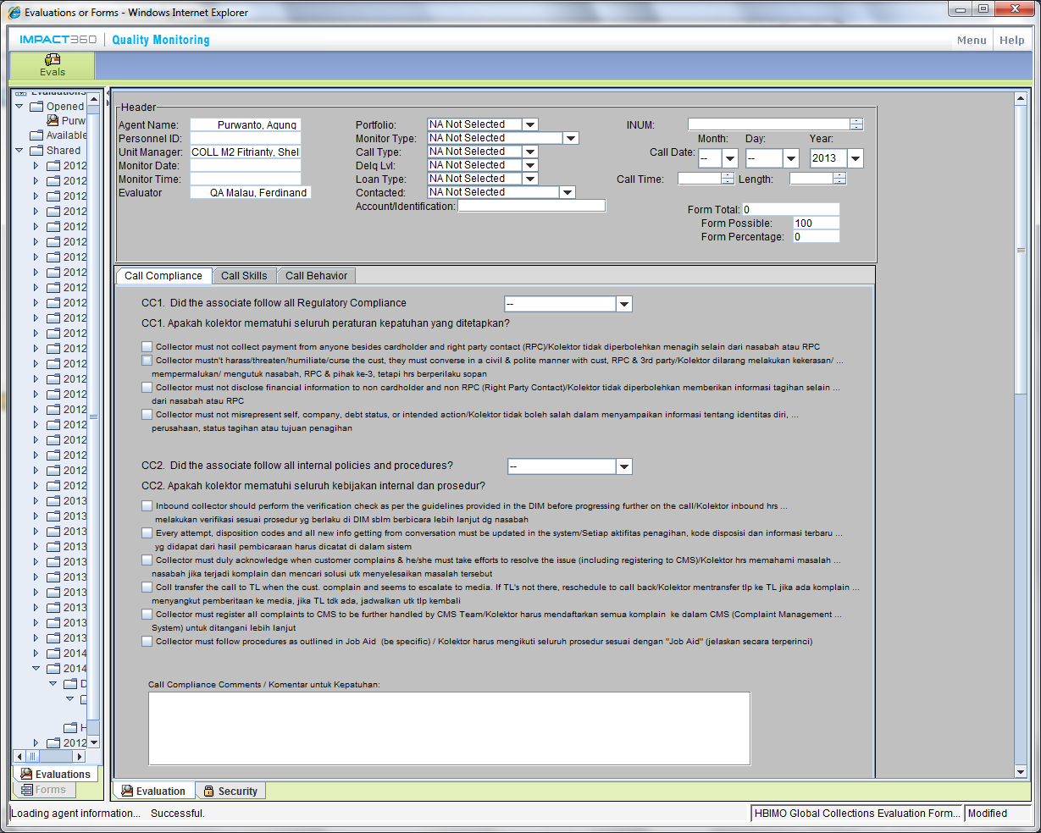
 | SUMMARY CALL COMPLIANCE
 |  | Desk Coll Name :
 |  | Desk coll ID :
 |  | PERIODE : | JANURY - MARCH 2014

 | TOTAL SCORE COMPLIANCE |  |  | 5
 | PASS GRADE |  |  | 83%
 | CALL COMPLIANCE STATUS |  |  | QUALIFY

CALL COMPLIANCE ( DESKCALL NAME & MONTH )

PASS | Regulatory Compliance Requirement |  |  |  |  |  | RESULT | SCORE
NOT PASS | - | Deskcall tidak diperbolehkan menagih selain dari nasabah / RPC |  |  |  | = | NOT PASS | 0 | 1b,2anch,2bnch
 | - | Deskcall berbicara dengan sopan, tidak mempermalukan / mengutuk nasabah, RPC dan pihak ke 3 |  |  |  | = | PASS | 1 | 4a
 | - | Deskcall tidak menginformasikan tagihan selain nasabah atau RPC |  |  |  | = | PASS | 1 | 6a,6d
 | - | Tidak boleh salah menyampaikan informasi tentang identitas diri, perusahaan, status tagihan atau tujuan penagihan |  |  |  | = | PASS | 1 | 1c,2a-b

 | Comment / Remarks
 |  |  |  |  |  |  |  | 3

 | *) Jika NOT PASS, Beri Keterangan Pada Kolom Comment / Remarks. |  |  |  | RESULT | = | PASS
 |  |  |  |  | SCORE | = | 1

 | Follow all Internal Policies & Procedurs |  |  |  |  |  | RESULT | SCORE
 | - | Setiap aktifitas penagihan, kode disposisi dan informasi terbaru yang didapat dari hasil pembicaraan harus diinput |  |  |  | = | PASS | 1 | 1b,5bch
 |  | dalam system |  |  |  |  |  |  | K'Ai
 | - | Answer customer objection, complain and denial |  |  |  | = | PASS | 1 | 4c
 | - | Deskcall harus memahami masalah nasabah jika terjadi komplain dan mencari solusi untuk menyelesaikan masalah |  |  |  | = | NOT PASS | 0 | 3b
 | - | Kolektor mengikuti seluruh prosedur sesuai dengan "job aid" |  |  |  | = | PASS | 1 | K'Ai
 | Comment / Remarks
 |  |  |  |  |  |  |  | 3

 | *) Jika NOT PASS, Beri Keterangan Pada Kolom Comment / Remarks. |  |  |  | RESULT | = | PASS
 |  |  |  |  | SCORE | = | 1

 |  |  |  |  | TOTAL SCORE | = | 2

CALL COMPLIANCE ( DESKCALL NAME & MONTH )

PASS | Regulatory Compliance Requirement |  |  |  |  |  | RESULT | SCORE
NOT PASS | - | Deskcall tidak diperbolehkan menagih selain dari nasabah / RPC |  |  |  | = | NOT PASS | 0 | 1b,2anch,2bnch
 | - | Deskcall berbicara dengan sopan, tidak mempermalukan / mengutuk nasabah, RPC dan pihak ke 3 |  |  |  | = | PASS | 1 | 4a
 | - | Deskcall tidak menginformasikan tagihan selain nasabah atau RPC |  |  |  | = | NOT PASS | 0 | 6a,6d
 | - | Tidak boleh salah menyampaikan informasi tentang identitas diri, perusahaan, status tagihan atau tujuan penagihan |  |  |  | = | PASS | 1 | 1c,2a-b

 | Comment / Remarks
 |  |  |  |  |  |  |  | 2

 | *) Jika NOT PASS, Beri Keterangan Pada Kolom Comment / Remarks. |  |  |  | RESULT | = | NOT PASS
 |  |  |  |  | SCORE | = | 0

 | Follow all Internal Policies & Procedurs |  |  |  |  |  | RESULT | SCORE
 | - | Setiap aktifitas penagihan, kode disposisi dan informasi terbaru yang didapat dari hasil pembicaraan harus diinput |  |  |  | = | NOT PASS | 0 | 1b,5bch
 |  | dalam system |  |  |  |  |  |  | K'Ai
 | - | Deskcall harus memahami masalah nasabah jika terjadi komplain dan mencari solusi untuk menyelesaikan masalah |  |  |  | = | PASS | 1 | 4c
 | - | Answer customer objection, complain and denial |  |  |  | = | PASS | 1 | 3b
 | - | Kolektor mengikuti seluruh prosedur sesuai dengan "job aid" |  |  |  | = | PASS | 1 | K'Ai
 | Comment / Remarks
 |  |  |  |  |  |  |  | 3

 | *) Jika NOT PASS, Beri Keterangan Pada Kolom Comment / Remarks. |  |  |  | RESULT | = | PASS
 |  |  |  |  | SCORE | = | 1

 |  |  |  |  | TOTAL SCORE | = | 1

CALL COMPLIANCE ( DESKCALL NAME & MONTH )

PASS | Regulatory Compliance Requirement |  |  |  |  |  | RESULT | SCORE
NOT PASS | - | Deskcall tidak diperbolehkan menagih selain dari nasabah / RPC |  |  |  | = | PASS | 1 | 1b,2anch,2bnch
 | - | Deskcall berbicara dengan sopan, tidak mempermalukan / mengutuk nasabah, RPC dan pihak ke 3 |  |  |  | = | PASS | 1 | 4a
 | - | Deskcall tidak menginformasikan tagihan selain nasabah atau RPC |  |  |  | = | PASS | 1 | 6a,6d
 | - | Tidak boleh salah menyampaikan informasi tentang identitas diri, perusahaan, status tagihan atau tujuan penagihan |  |  |  | = | NOT PASS | 0 | 1c,2a-b

 | Comment / Remarks
 |  |  |  |  |  |  |  | 3

 | *) Jika NOT PASS, Beri Keterangan Pada Kolom Comment / Remarks. |  |  |  | RESULT | = | PASS
 |  |  |  |  | SCORE | = | 1

 | Follow all Internal Policies & Procedurs |  |  |  |  |  | RESULT | SCORE
 | - | Setiap aktifitas penagihan, kode disposisi dan informasi terbaru yang didapat dari hasil pembicaraan harus diinput |  |  |  | = | PASS | 1 | 1b,5bch
 |  | dalam system |  |  |  |  |  |  | K'Ai
 | - | Deskcall harus memahami masalah nasabah jika terjadi komplain dan mencari solusi untuk menyelesaikan masalah |  |  |  | = | PASS | 1 | 4c
 | - | Answer customer objection, complain and denial |  |  |  | = | PASS | 1 | 3b
 | - | Kolektor mengikuti seluruh prosedur sesuai dengan "job aid" |  |  |  | = | NOT PASS | 0 | K'Ai
 | Comment / Remarks
 |  |  |  |  |  |  |  | 3

 | *) Jika NOT PASS, Beri Keterangan Pada Kolom Comment / Remarks. |  |  |  | RESULT | = | PASS
 |  |  |  |  | SCORE | = | 1

 |  |  |  |  | TOTAL SCORE | = | 2

